Web_Sessions-Visitors
FY 2025 EOSDIS DAACs and Earthdata Web Activity using Google Analytics
EOSDIS web activity is measured by number of sessions (visits) made, the number of pages Viewed and the number of distinct Visitors. Repeat visitors is a count of those visitors who made at least two sessions since beginning of the FY Web metrics are presented for visits of one minute or greater. Visits of at least one minute are considered to represent significant work accomplished, and many of the shorter visits are of less than a second. All twelve EOSDIS DAACs report web metrics are included in this report from two sources, individual DAAC Profile and DAACs under EarthData Website. EarthData Website data for DAACs is only from May 2025 to September 2025.

 | Sessions, Views and Visitors by data center for visits greater than or equal to 1 min.

 | DAAC | # Sessions | # Views | # Visitors | # Repeat Visitors
 | ASDC | 145,652 | 203,159 | 108,537 | 108,340
 | ASF | 194,045 | 174,360 | 132,327 | 131,850
 | CDDIS | 382,926 | 2,099,056 | 111,592 | 110,707
 | CSDAP | 20,563 | 17,337 | 11,614 | 11,516
 | GESDISC | 457,415 | 1,253,378 | 181,990 | 181,162
 | GHRC | 59,559 | 588,637 | 49,179 | 49,129
 | LAADS | 37,499 | 26,434 | 31,351 | 31,312
 | LPDAAC | 582,452 | 1,606,878 | 319,848 | 319,351
 | NSIDC | 3,328,521 | 2,509,428 | 1,872,709 | 1,868,205
 | OBDAAC | 168,713 | 586,628 | 72,925 | 72,715
 | ORNL | 252,727 | 335,991 | 139,847 | 139,529
 | PODAAC | 230,752 | 411,706 | 111,828 | 108,069
 | SEDAC | 122,313 | 212,122 | 82,660 | 82,366
 | Earthdata | 2,161,049 | 3,307,831 | 1,185,741 | 1,179,265
 | Total | 8,144,186 | 13,332,945 | 4,412,148 | 4,393,516
 |  |  |  |  |  | 4.4
 | System Overall* | 5,983,137 | 10,025,114 | 3,226,407 | 3,214,251 | 2.3 | 0.6
 |  |  |  |  |  | 1.9
 | * Represents the sum of the metrics from all 12 DAACs and excludes Earthdata.

# Sessions (3,139,784) >= 1 min.

 | Monthly

 | Month | # Sessions | # Views | # Unique Visitors
 | Oct-24 | 466,219 | 906,179 | 293,004
 | Nov-24 | 562,800 | 895,236 | 443,313
 | Dec-24 | 476,688 | 611,405 | 375,473
 | Jan-25 | 464,559 | 646,354 | 332,024
 | Feb-25 | 431,451 | 1,078,791 | 207,673
 | Mar-25 | 441,396 | 982,465 | 197,186
 | Apr-25 | 406,267 | 848,390 | 187,751
 | May-25 | 444,646 | 1,057,446 | 224,992
 | Jun-25 | 422,371 | 751,528 | 212,391
 | Jul-25 | 452,400 | 717,601 | 233,754
 | Aug-25 | 542,989 | 753,780 | 346,249
 | Sep-25 | 667,713 | 775,939 | 446,872

 | FY2025* | 5,779,499 | 10,025,114 | 3,500,682

 | * Represents the sum of the metrics from all 12 DAACs and excludes Earthdata.
 | The sum of monthly visitors could be greater than the number of unique
 | visitor for a given year since one user could be counted more than once
 | if he/she visited the same website in different month.
 | The sum of monthly Sessions could be greater than the total System Overall number of Sessions for a given year since multiple Sessions could cross over from one month to another month. As such will be treated as different Sessions.

Web Activity by Country
This worksheet presents web activity by the top 20 Countries from Google Analytics sorted by # of Sessions. The data came from a combined profile for 12 EOSDIS DAACs from two sources, individual DAAC Profile and DAACs under EarthData Website. EarthData Website data for DAACs is only from May 2025 to September 2025. Country information is based on the Google analytics geographical data.

FY2025 from All Data Centers (For sessions >= I min.)

Ranking | Country | Visitors | Percent Visitors | Sessions | Percent Sessions | Views | Percent Views
1 | United States | 1,182,280 | 36.81% | 2,035,065 | 34.69% | 3,006,733 | 29.98%
2 | China | 220,723 | 6.87% | 461,830 | 7.87% | 1,351,412 | 13.48%
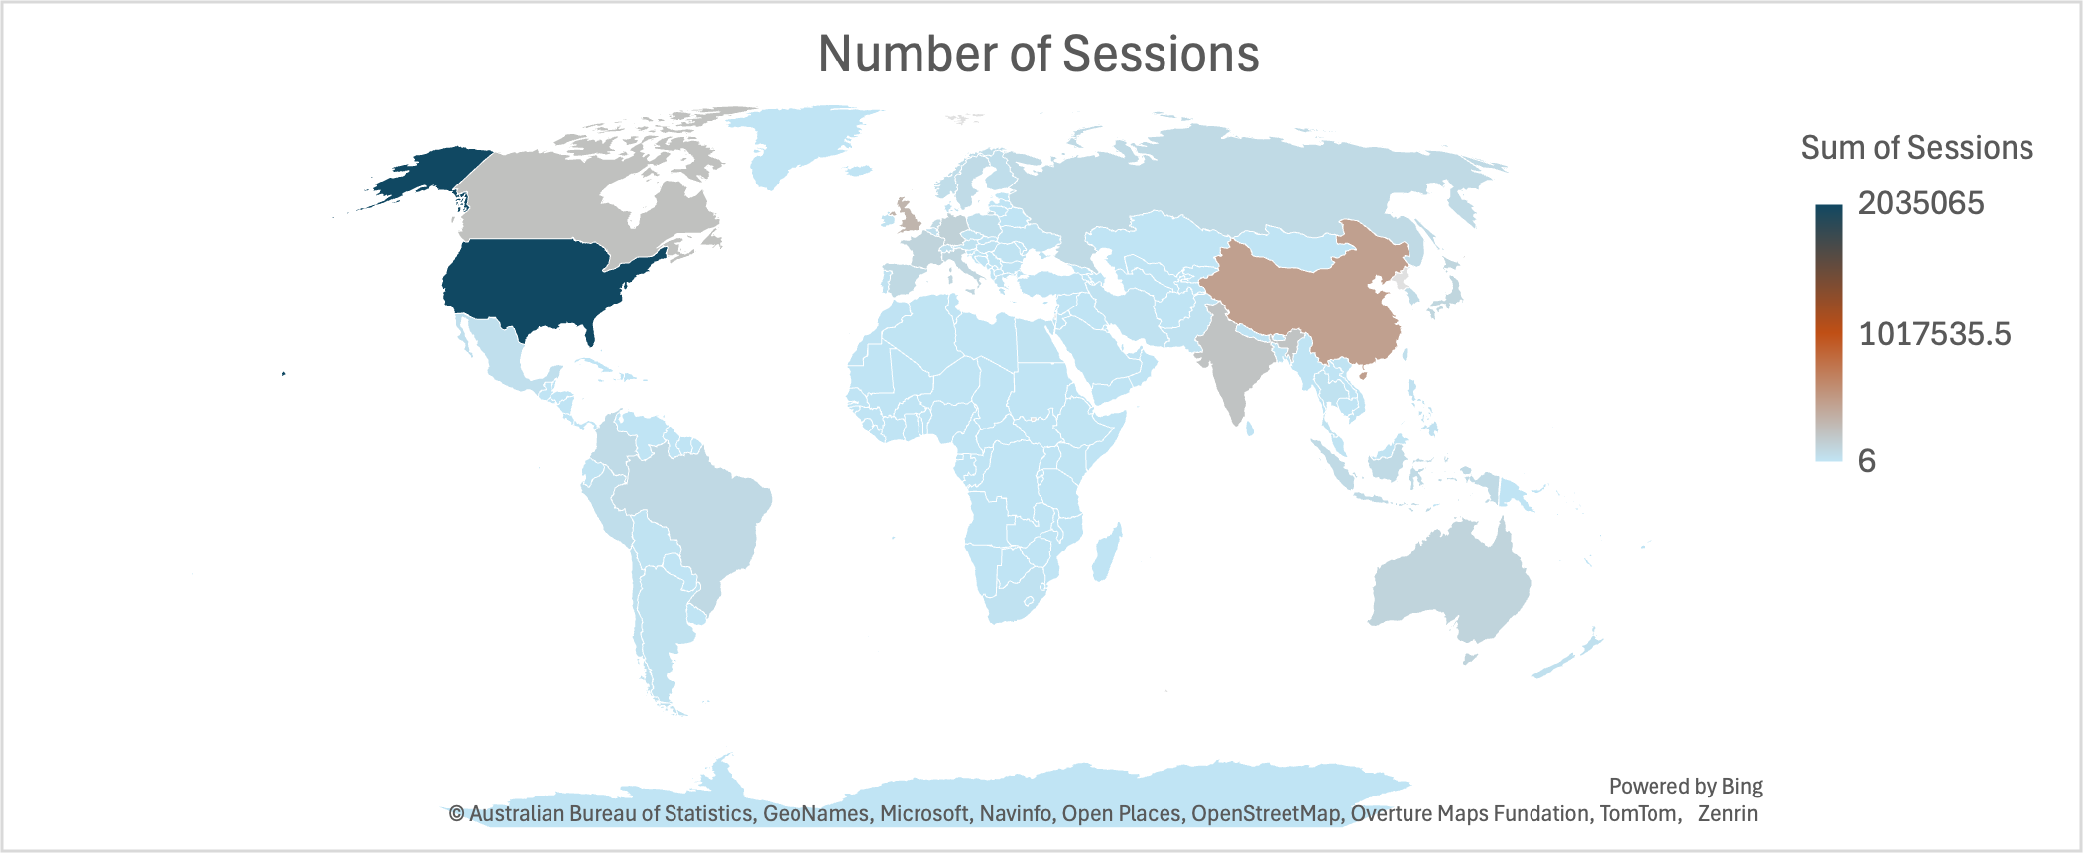
3 | Singapore | 384,683 | 11.98% | 411,286 | 7.01% | 107,502 | 1.07%
4 | United Kingdom | 153,666 | 4.78% | 324,024 | 5.52% | 379,538 | 3.78%
5 | Canada | 137,176 | 4.27% | 242,862 | 4.14% | 254,723 | 2.54%
6 | India | 120,238 | 3.74% | 224,495 | 3.83% | 521,778 | 5.20%
7 | Germany | 59,525 | 1.85% | 132,882 | 2.27% | 210,470 | 2.10%
8 | Australia | 58,367 | 1.82% | 113,206 | 1.93% | 131,738 | 1.31%
9 | France | 48,700 | 1.52% | 113,005 | 1.93% | 194,594 | 1.94%
10 | Japan | 45,381 | 1.41% | 101,508 | 1.73% | 289,468 | 2.89%
11 | Italy | 42,322 | 1.32% | 98,323 | 1.68% | 148,199 | 1.48%
12 | Spain | 36,707 | 1.14% | 80,773 | 1.38% | 158,027 | 1.58%
13 | Netherlands | 35,103 | 1.09% | 77,783 | 1.33% | 100,757 | 1.00%
14 | Brazil | 35,904 | 1.12% | 76,421 | 1.30% | 189,689 | 1.89%
15 | Indonesia | 34,179 | 1.06% | 70,950 | 1.21% | 188,164 | 1.88%
16 | Russia | 24,779 | 0.77% | 69,241 | 1.18% | 171,261 | 1.71%
17 | South Korea | 29,993 | 0.93% | 66,735 | 1.14% | 188,029 | 1.87%
18 | Hong Kong | 31,698 | 0.99% | 64,920 | 1.11% | 183,366 | 1.83%
19 | Sweden | 25,016 | 0.78% | 63,584 | 1.08% | 73,767 | 0.74%
20 | Colombia | 24,341 | 0.76% | 63,505 | 1.08% | 188,291 | 1.88%

At the time of this report, the combined profile does not include Earthdata.

Earthdata WebMetrics
Webmetrics for Earthdata Website only. EarthData Website data for DAACs is only from May 2025 to September 2025.

Sessions, Views and Visitors by data center for visits greater than or equal to 1 min.
Web Service | # Sessions | # Views | # Visitors | # Repeat Visitors
Earthdata | 2,161,049 | 3,307,831 | 1,185,741 | 1,179,265

Monthly
Month | # Sessions | # Views | # Unique Visitors
Oct-24 | 192,839 | 72,911 | 59,780
Nov-24 | 304,900 | 98,990 | 79,923
Dec-24 | 224,614 | 122,206 | 85,281
Jan-25 | 278,913 | 218,576 | 162,591
Feb-25 | 288,267 | 196,075 | 128,811
Mar-25 | 387,482 | 254,135 | 161,337
Apr-25 | 326,889 | 229,941 | 147,076
May-25 | 254,183 | 207,965 | 129,336
Jun-25 | 207,894 | 181,263 | 110,250
Jul-25 | 283,745 | 202,667 | 123,387
Aug-25 | 231,140 | 181,729 | 110,545
Sep-25 | 326,965 | 220,263 | 139,762

FY25 | 3,307,831 | 2,186,721 | 1,438,079

FY2025 from Earthdata website (For sessions >= I min.)

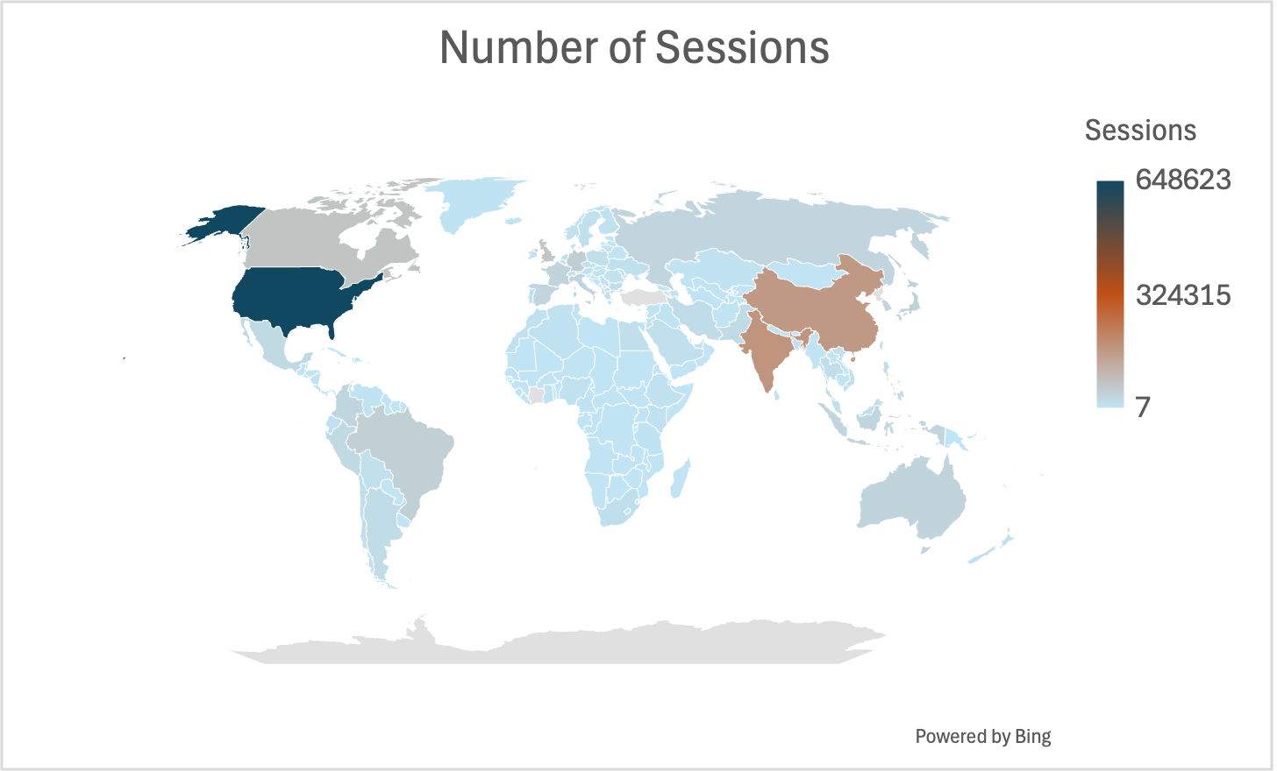
Ranking | Country | Visitors | Percent Visitors | Sessions | Percent Sessions | Views | Percent Views
1 | United States | 348,863 | 28.3% | 648,623 | 29.5% | 965,755 | 29.2%
2 | India | 93,875 | 7.6% | 173,476 | 7.9% | 271,559 | 8.2%
3 | China | 80,527 | 6.5% | 163,595 | 7.4% | 311,248 | 9.4%
4 | Canada | 42,788 | 3.5% | 71,250 | 3.2% | 75,158 | 2.3%
5 | United Kingdom | 41,140 | 3.3% | 67,540 | 3.1% | 98,874 | 3.0%
6 | Germany | 29,709 | 2.4% | 50,365 | 2.3% | 72,507 | 2.2%
7 | Brazil | 29,407 | 2.4% | 45,388 | 2.1% | 83,336 | 2.5%
8 | Japan | 21,509 | 1.7% | 40,221 | 1.8% | 61,383 | 1.9%
9 | France | 20,820 | 1.7% | 35,737 | 1.6% | 53,145 | 1.6%
10 | Australia | 23,026 | 1.9% | 35,231 | 1.6% | 44,323 | 1.3%
11 | Russia | 15,620 | 1.3% | 34,542 | 1.6% | 35,325 | 1.1%
12 | Indonesia | 21,010 | 1.7% | 34,332 | 1.6% | 53,332 | 1.6%
13 | Italy | 18,909 | 1.5% | 34,102 | 1.6% | 51,156 | 1.5%
14 | Spain | 19,579 | 1.6% | 32,841 | 1.5% | 42,564 | 1.3%
15 | South Korea | 16,184 | 1.3% | 32,132 | 1.5% | 54,325 | 1.6%
16 | Colombia | 16,939 | 1.4% | 31,423 | 1.4% | 43,943 | 1.3%
17 | T√ºrkiye | 19,349 | 1.6% | 30,786 | 1.4% | 47,753 | 1.4%
18 | Singapore | 22,060 | 1.8% | 28,652 | 1.3% | 27,499 | 0.8%
19 | Hong Kong | 14,228 | 1.2% | 27,083 | 1.2% | 42,721 | 1.3%
20 | Peru | 12,527 | 1.0% | 23,662 | 1.1% | 28,298 | 0.9%

LANCE_WebMetrics
LANCE web activity is measured by number of sessions made, the number of pages viewed and the number of distinct visitors for the LANCE website. Repeat visitors is a count of those visitors who made at least two sessions since the start of the fiscal year. Web metrics are presented for sessions of one minute or greater. Sessions of at least one minute are considered to represent significant work accomplished, and many of the shorter sessions are of less than a second.

Sessions, Views and Visitors by data center for visits greater than or equal to 1 min.
Data Provider | # Sessions | # Views | # Visitors | # Repeat Visitors since start
LANCE | 6,794,655 | 9,880,812 | 2,154,280 | 2,144,521

Monthly
Month | # Sessions | # Views | # Unique Visitors
Oct-24 | 352,890 | 503,437 | 117,323
Nov-24 | 220,331 | 327,891 | 106,672
Dec-24 | 120,221 | 216,716 | 46,799
Jan-25 | 617,681 | 745,297 | 343,135
Feb-25 | 246,894 | 437,530 | 93,041
Mar-25 | 419,802 | 622,801 | 169,012
Apr-25 | 239,409 | 412,009 | 85,389
May-25 | 769,098 | 1,181,125 | 192,484
Jun-25 | 1,030,316 | 1,369,741 | 322,443
Jul-25 | 1,168,663 | 1,508,843 | 412,915
Aug-25 | 1,279,133 | 1,889,606 | 441,171
Sep-25 | 420,173 | 665,816 | 146,903

FY2025 | 6,884,611 | 9,880,812 | 2,477,287

LANCE web visitors are characterized by the number of sessions they make and how frequently they return. Visitors counted in the table below are those that stayed for one minute or more. Repeat Visitors are counted from the start of the Fiscal Year. Please note that the sum of monthly visitors could be greater than the number of unique visitors for a given year since one user could be counted more than once in the monthly visitor count if he/she visited the LANCE websites in different months.

Following table presents web activity by the top 20 Countries sorted by # of Views The data came from LANCE website profile and country information is based on the Google Analytics IP Geolocation resolution.
FY2025 from LANCE (For sessions >= I min.)

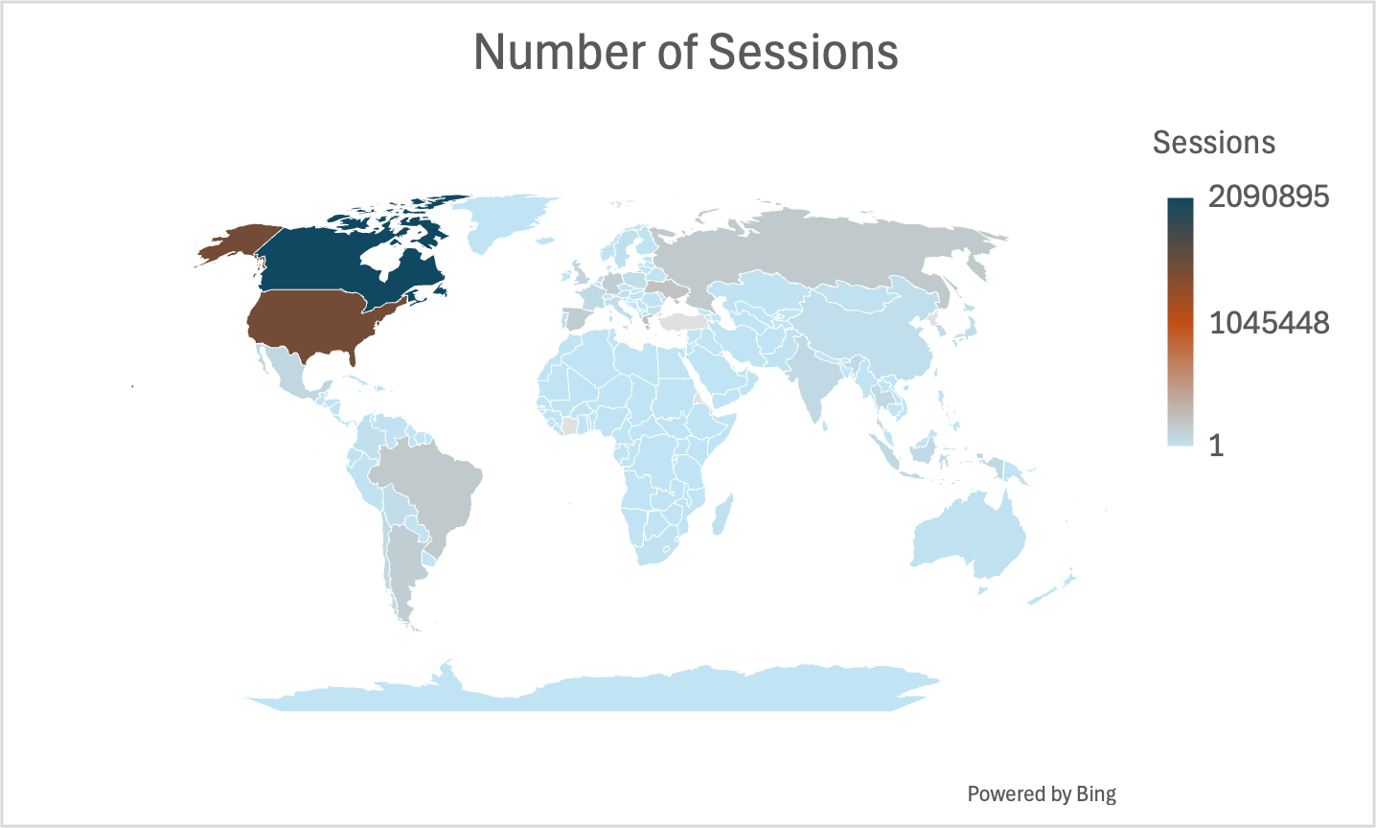
Ranking | Country | Visitors | Percent Visitors | Sessions | Percent Sessions | Views | Percent Views
1 | Canada | 334,313 | 15.36% | 2,090,895 | 30.22% | 2,889,643 | 29.25%
2 | United States | 739,619 | 33.97% | 1,494,751 | 21.60% | 2,281,806 | 23.09% | 0.8
3 | Türkiye | 114,444 | 5.26% | 291,766 | 4.22% | 367,771 | 3.72%
4 | Greece | 155,135 | 7.13% | 281,089 | 4.06% | 259,369 | 2.62%
5 | Ukraine | 40,694 | 1.87% | 246,280 | 3.56% | 301,503 | 3.05%
6 | Brazil | 27,888 | 1.28% | 188,814 | 2.73% | 311,218 | 3.15%
7 | Russia | 55,050 | 2.53% | 183,465 | 2.65% | 207,319 | 2.10%
8 | Spain | 57,050 | 2.62% | 165,835 | 2.40% | 226,402 | 2.29%
9 | Germany | 76,104 | 3.50% | 163,942 | 2.37% | 172,670 | 1.75%
10 | Argentina | 23,866 | 1.10% | 157,271 | 2.27% | 370,611 | 3.75%
11 | United Kingdom | 44,793 | 2.06% | 105,801 | 1.53% | 129,773 | 1.31%
12 | Mexico | 13,153 | 0.60% | 92,127 | 1.33% | 128,235 | 1.30%
13 | Thailand | 19,686 | 0.90% | 83,363 | 1.20% | 129,789 | 1.31%
14 | India | 32,476 | 1.49% | 78,994 | 1.14% | 205,165 | 2.08%
15 | Chile | 19,112 | 0.88% | 77,393 | 1.12% | 102,233 | 1.03%
16 | Indonesia | 13,170 | 0.60% | 75,215 | 1.09% | 174,106 | 1.76%
17 | France | 30,724 | 1.41% | 75,104 | 1.09% | 89,083 | 0.90%
18 | Bolivia | 6,804 | 0.31% | 55,728 | 0.81% | 94,949 | 0.96%
19 | South Korea | 29,005 | 1.33% | 52,277 | 0.76% | 64,553 | 0.65%
20 | Poland | 20,176 | 0.93% | 50,634 | 0.73% | 55,350 | 0.56%

Worldview_WebMetrics
Number of Unique Visitors

Google Analytics Webmetrics for Worldview Website only

Sessions, Views and Visitors for visits greater than or equal to 1 min.
Web Service | # Sessions | # Views | # Visitors | # Repeat Visitors
Worldview - GA4360 | 2,679,061 | 2,887,563 | 1,419,736 | 1,396,005

Monthly
Month | # Sessions | # Views | # Unique Visitors
Oct-24 | 179,649 | 179,369 | 104,143
Nov-24 | 160,205 | 174,478 | 92,454
Dec-24 | 138,458 | 148,566 | 76,557
Jan-25 | 241,915 | 219,076 | 147,772
Feb-25 | 189,252 | 220,549 | 102,574
Mar-25 | 228,733 | 217,407 | 127,455
Apr-25 | 257,481 | 265,288 | 138,929
May-25 | 299,783 | 283,768 | 177,528
Jun-25 | 260,490 | 248,593 | 158,257
Jul-25 | 233,357 | 361,535 | 145,998
Aug-25 | 243,513 | 243,053 | 155,441
Sep-25 | 211,406 | 325,881 | 136,175

FY25 | 2,644,242 | 2,887,563 | 1,563,283

FY2025 from Worldview website (For sessions >= I min.)

Ranking | Country | Visitors | Percent Visitors | Sessions | Percent Sessions | Views | Percent Views
1 | United States | 670,522 | 25.0% | 1,191,684 | 41.3% | 374,398 | 26.0%
2 | Canada | 235,623 | 8.8% | 261,093 | 9.0% | 82,743 | 5.8%
3 | Russia | 161,254 | 6.0% | 159,282 | 5.5% | 43,849 | 3.0%
4 | India | 128,022 | 4.8% | 71,776 | 2.5% | 100,501 | 7.0%
5 | China | 106,641 | 4.0% | 95,876 | 3.3% | 61,044 | 4.2%
6 | United Kingdom | 84,897 | 3.2% | 52,910 | 1.8% | 51,710 | 3.6%
7 | Australia | 83,020 | 3.1% | 70,942 | 2.5% | 34,681 | 2.4%
8 | Germany | 75,781 | 2.8% | 62,131 | 2.2% | 42,960 | 3.0%
9 | Spain | 75,405 | 2.8% | 58,755 | 2.0% | 40,425 | 2.8%
10 | Italy | 66,531 | 2.5% | 55,944 | 1.9% | 30,390 | 2.1%
11 | France | 53,035 | 2.0% | 45,501 | 1.6% | 25,795 | 1.8%
12 | Brazil | 49,229 | 1.8% | 34,078 | 1.2% | 31,812 | 2.2%
13 | Türkiye | 43,556 | 1.6% | 34,240 | 1.2% | 28,943 | 2.0%
14 | Netherlands | 32,724 | 1.2% | 24,145 | 0.8% | 15,895 | 1.1%
15 | Argentina | 30,695 | 1.1% | 26,094 | 0.9% | 11,809 | 0.8%
16 | Mexico | 29,040 | 1.1% | 23,514 | 0.8% | 18,122 | 1.3%
17 | Iran | 28,936 | 1.1% | 31,394 | 1.1% | 12,710 | 0.9%
18 | Japan | 28,019 | 1.0% | 27,700 | 1.0% | 13,129 | 0.9%
19 | Pakistan | 25,967 | 1.0% | 19,059 | 0.7% | 17,685 | 1.2%
20 | Greenland | 25,814 | 1.0% | 31,922 | 1.1% | 3,106 | 0.2%

Kibana Cloud Metrics for unique user IPs accessing the worldview.earthdata.nasa.gov domain

Kibana Cloud Metrics for the most requested layers from the worldview.earthdata.nasa.gov domain

Earthdata Systems
Earthdata Systems are some of the systems that are under EED-3 and provide metrics on the number of users registering with earthdata login and number of data collections and granules metadata provided by various data providers to the CMR. In addition earthdata search client utilization is provided by showing number of sessions and acquisitions. These metrics are provided for the FY 2021 by Louis Swentek (Lou_Swentek@raytheon.com) of EED-2.
Earthdata Login
The Earthdata Login provides a single mechanism for user registration and profile management for all EOSDIS system components (DAACs, Tools, and Services). Earthdata Login also helps the EOSDIS program better understand the usage of EOSDIS services to improve user experience through customization of tools and improvement of services. Given the utilization of Earthdata Login across EOSDIS system components, Earthdata Login metrics provide one measure of interest in NASA earth science holdings. The total number of Earthdata Login registered users increased by 14.8% over the course of FY2025, from 1,777,097 at the beginning of October 2024 to 2,084,638 by the end of September 2025, which is a record number of new Earthdata Login registrations for a 12-month period.
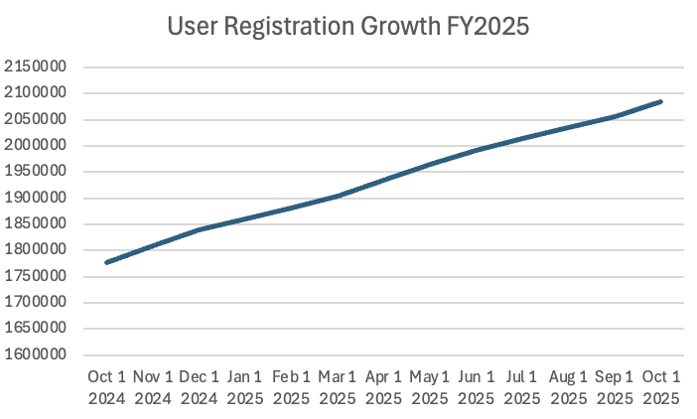

The number of new users registered weekly in Earthdata Login varies seasonally and as key events occurred throughout FY2025. The number of new registered users ranged from a low of 3,049 for the week ending on 12/29/24 to a high of 7,488 the week ending on 03/09/25, with an average of 5,855 new users per week. This is up from an average of 5,741 users new users per week in FY2024.
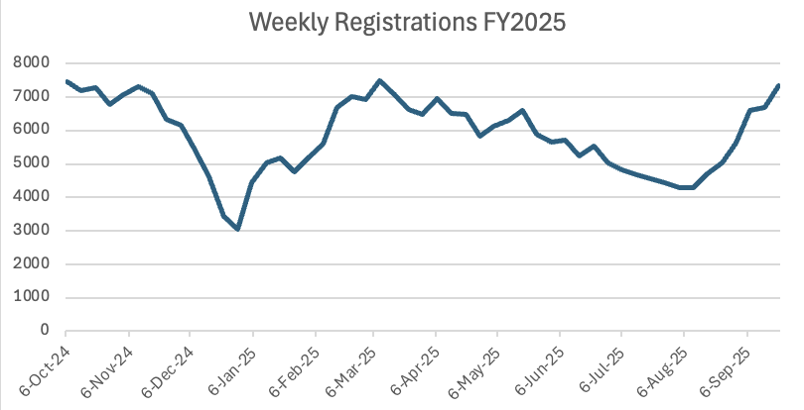

Common Metadata Repository (CMR)

The Common Metadata Repository (CMR) is a high-performance, high-quality, continuously evolving metadata system that catalogs all data and service metadata records for the EOSDIS system and is the authoritative management system for all EOSDIS metadata. These metadata records are registered, modified, discovered, and accessed through programmatic interfaces leveraging standard protocols and APIs.

The number of total collections, or data set series, holdings in CMR increased by 2.23% in FY 2025, from 59,146 at the beginning of the fiscal year to 60,467 at the end of the fiscal year.

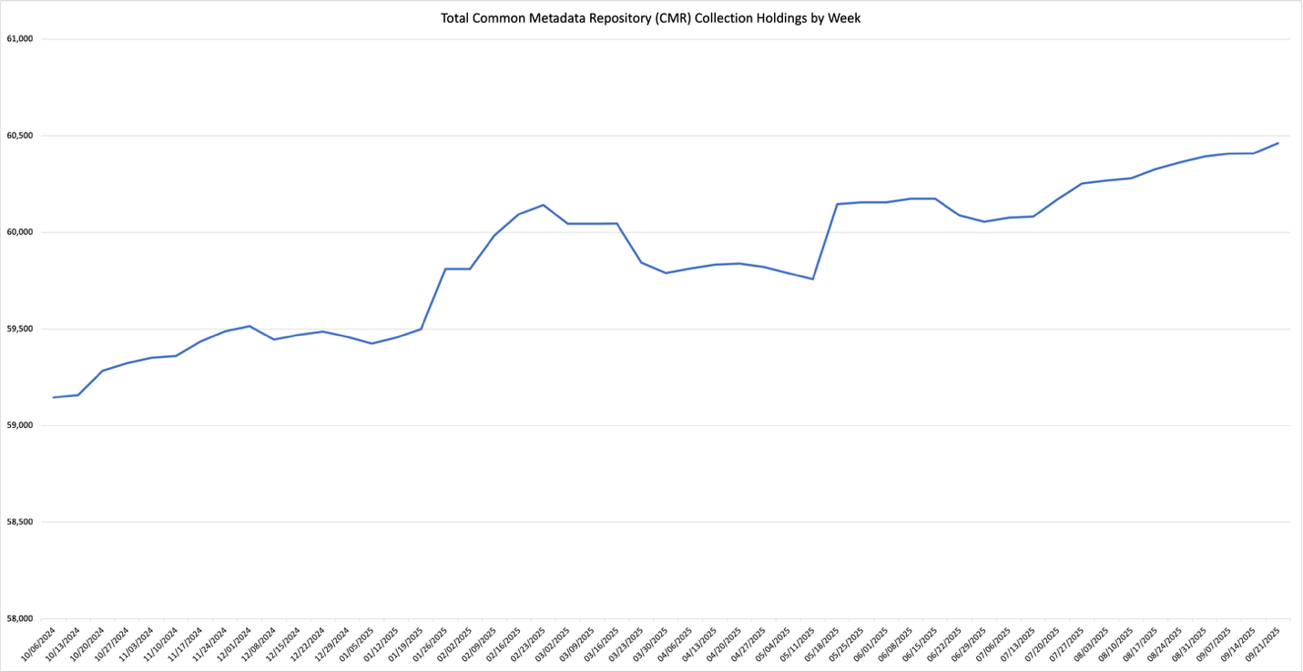

The number of EOSDIS collection holdings in CMR increased by 8.5%, from 18,979 in October 2024 to 20,607 at the end of September 2025.
While collection metadata provides information about types of data stored in the CMR, granule metadata is the smallest aggregation of data which is independently managed (i.e., described, inventoried, retrievable). These are metadata elements that describe a single granule of a data product. Values of granule metadata apply to all of the data in that one granule. Typical metadata in this category describe spatial and temporal extent of the data as well as the quality and lineage of the data.

The number of granule holdings in CMR increased by 25.45% in FY2025, from 1.78 billion in October 2024 to 2.1 billion at the end of September 2025. The following chart provides a weekly summary of the CMR granule holdings.

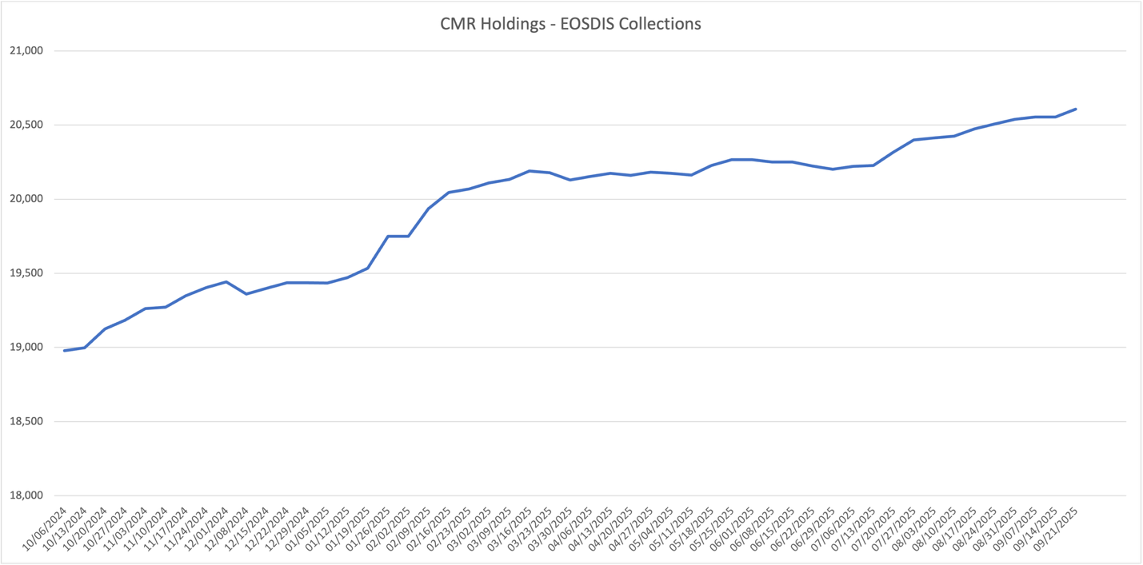
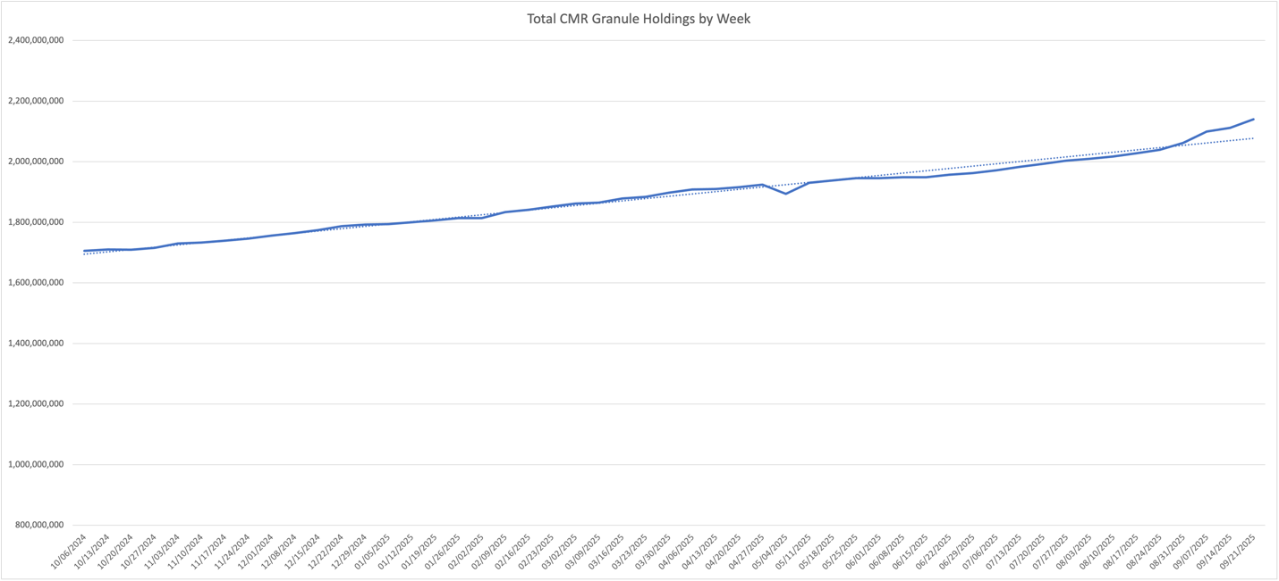

Earthdata Search Client (EDSC)
The Earthdata Search Client is the primary client for accessing NASA Earth Science data via the flagship earthdata.nasa.gov website. Utilization of the EDSC is measured in terms of the number of sessions, or visits by a user over a short period of time, to the site as well as by acquisitions, which represent the number of times data was downloaded via the EDSC.

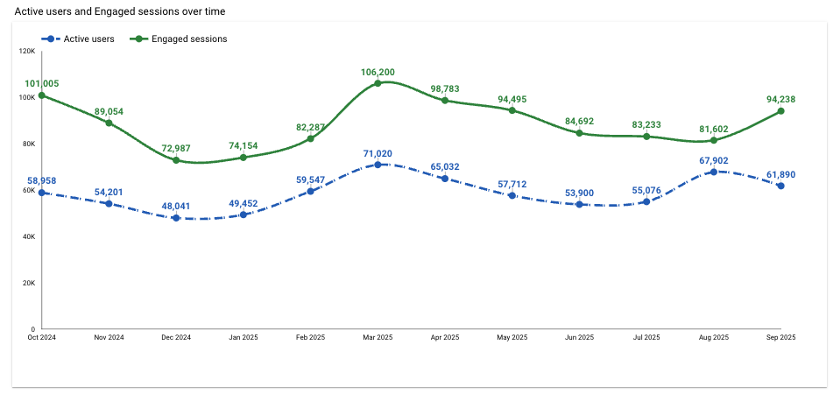

Earthdata Search acquisitions likewise fluctuated throughout the year. The most common data acquisition method this year was direct download of a single granule file

Cumulative statistics broken down by access method type over time period

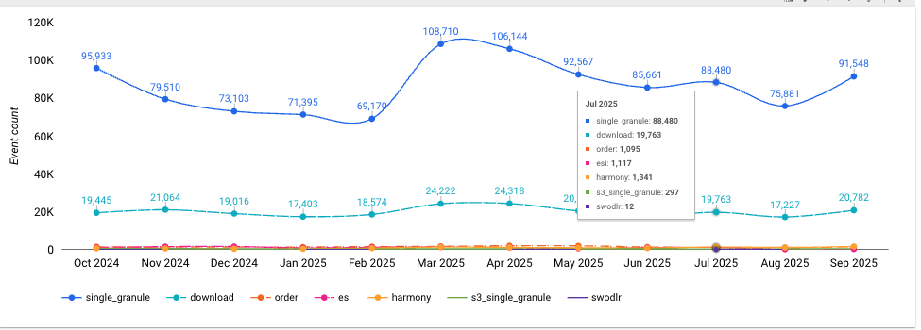

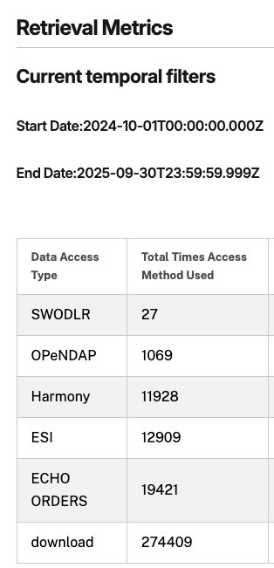

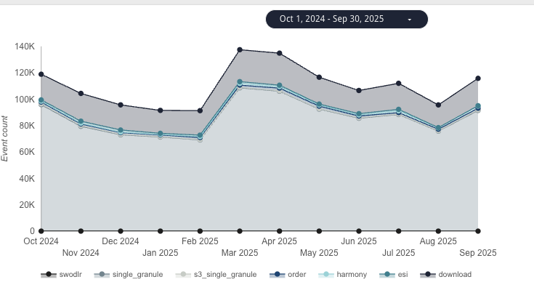

~23% of sessions resulting in download

Web Trends
Web metrics data for EOSDIS became available as of FY 2007, Data for FY 2007 is complete for 7 DAACs and FY 2008 is complete for 8 DAACs. Since FY 2009, 11 DAACs provided webmetrics and from FY 2020 all 12 DAACs have provided the webmetrics data. For FY 2007 to FY 2018 NetInsight data was used, for FY 2019 both NetInsight and Google Analytics data was used, while as from FY 2020 only Google Analytics data was used as the Netinsight was decommissioned from Oct 1, 2019. These web metrics exclude Earthdata & LANCE and are for sessions (visits) of one minute or more. Repeat visitors are counted as 2 or more visits since web activity measurements began for that DAAC. Earthdata webmetrics trend is given separately at the bottom of this page.

 | Google Analytics - FY2025
DAAC | # Sessions | # Views | # Visitors | # Hosts (Not Available in GA) | FY24 Repeat Visitors (2 or more visits)
ASDC | 145,652 | 203,159 | 108,537 |  | 108,340
ASF DAAC | 194,045 | 174,360 | 132,327 |  | 131,850
EOSDIS Web Activity Trend Since FY 2007 (Excludes Earthdata and LANCE)
 | Sessions (Visits) | Visitors | Repeat Visitors
FY2007 | 707,365 | 443,079 | 77,731
FY2008 | 827,714 | 523,416 | 91,801
FY2009 | 1,079,317 | 702,058 | 116,886
FY2010 | 1,108,858 | 718,944 | 205,378
FY2011 | 1,318,598 | 855,976 | 150,076
FY2012 | 1,973,920 | 1,248,743 | 339,566
FY2013 | 1,929,798 | 1,183,040 | 226,968
FY2014 | 1,688,096 | 1,080,386 | 308,670
FY2015 | 1,803,274 | 1,161,968 | 332,088
FY2016 | 1,880,224 | 1,239,024 | 352,623
FY2017 | 1,930,390 | 1,279,455 | 367,553
FY2018 | 1,845,372 | 1,262,735 | 355,888
FY2019 | 2,030,123 | 1,117,564 | 381,390
FY2020 | 1,936,823 | 1,227,210 | 520,478
FY2021 | 2,380,213 | 1,429,106 | 642,429
FY2022 | 2,278,930 | 1,359,909 | 623,710
FY2023 | 2,230,982 | 1,352,517 | 589,954
FY2024 | 3,139,784 | 2,176,844 | 2,176,100
FY2025 | 5,983,137 | 3,226,407 | 3,214,251
CDDIS | 382,926 | 2,099,056 | 111,592 |  | 110,707
CSDAP | 20,563 | 17,337 | 11,614 |  | 11,516
GES DISC | 457,415 | 1,253,378 | 181,990 |  | 181,162
GHRC DAAC | 59,559 | 588,637 | 49,179 |  | 49,129
LP DAAC | 582,452 | 1,606,878 | 319,848 |  | 319,351
LAADS DAAC | 37,499 | 26,434 | 31,351 |  | 31,312
NSIDC DAAC | 3,328,521 | 2,509,428 | 1,872,709 |  | 1,868,205
OB.DAAC | 168,713 | 586,628 | 72,925 |  | 72,715
ORNL DAAC | 252,727 | 335,991 | 139,847 |  | 139,529
PO.DAAC | 230,752 | 411,706 | 111,828 |  | 108,069
SEDAC | 122,313 | 212,122 | 82,660 |  | 82,366
Total | 5,983,137 | 10,025,114 | 3,226,407 | 0 | 3,214,251
 | Google Analytics - FY2024
DAAC | # Sessions | # Views | # Visitors | # Hosts (Not Available in GA) | FY24 Repeat Visitors (2 or more visits)
ASDC | 53,749 | 226,043 | 40,605 |  | 40,603
ASF DAAC | 82,302 | 142,933 | 61,709 |  | 61,702
CDDIS | 219,702 | 1,698,891 | 141,136 |  | 141,133
CSDAP | 4,800 | 10,560 | 3,897 |  | 3,897
GES DISC | 340,247 | 1,356,457 | 219,123 |  | 219,106
GHRC DAAC | 20,119 | 266,314 | 14,713 |  | 14,689
LP DAAC | 478,823 | 4,454,013 | 295,965 |  | 295,935
LAADS DAAC | 255,271 | 1,816,152 | 145,071 |  | 145,043
NSIDC DAAC | 1,334,225 | 2,350,419 | 1,024,412 |  | 1,023,950
OB.DAAC | 57,137 | 391,636 | 37,621 |  | 37,535
ORNL DAAC | 64,362 | 174,951 | 42,246 |  | 42,239
PO.DAAC | 102,174 | 282,429 | 68,164 |  | 68,121
SEDAC | 126,873 | 604,406 | 82,182 |  | 82,147
Total | 3,139,784 | 13,775,204 | 2,176,844 | 0 | 2,176,100
 | Google Analytics - FY2023
DAAC | # Sessions | # Views | # Visitors | # Hosts (Not Available in GA) | FY23 Repeat Visitors (2 or more visits)
ASDC | 98,360 | 252,960 | 110,977 |  | 19,845
ASF DAAC | 587,724 | 819,719 | 297,138 |  | 138,873 |  | Google Analytics
CDDIS | 113,328 | 1,590,534 | 72,585 |  | 37,066 |  | # Visits | # Views | # Visitors | # Hosts | FY19 Repeat Visitors (2 or more visits)
GES DISC | 286,505 | 896,224 | 172,801 |  | 93,948 | DAAC | 47,666 | 556,331 | 45,365 |  | 18,319
GHRC DAAC | 16,681 | 73,905 | 16,447 |  | 6,891 | ASDC | 227,634 | 831,919 | 134,217 |  | 75,860
LP DAAC | 135,606 | 436,954 | 88,722 |  | 38,310 | ASF DAAC | 27,289 | 157,841 | 20,405 |  | 8,441
LAADS DAAC | 176,742 | 864,500 | 89,458 |  | 57,136 | CDDIS | 135,008 | 1,030,437 | 85,292 |  | 49,611
NSIDC DAAC | 466,207 | 1,321,536 | 244,236 |  | 85,214 | GES DISC | 8,500 | 77,387 | 7,398 |  | 3,349
OB.DAAC | 106,572 | 516,261 | 73,391 |  | 42,445 | GHRC DAAC | 217,017 | 1,410,082 | 152,381 |  | 65,333
ORNL DAAC | 68,280 | 241,781 | 54,035 |  | 22,083 | LP DAAC | 122,447 | 880,907 | 62,430 |  | 39,186
PO.DAAC | 44,883 | 149,671 | 33,480 |  | 18,453 | LAADS DAAC | 927,701 | 4,242,224 | 529,431 |  | 151,554
SEDAC | 130,094 | 566,565 | 99,247 |  | 29,690 | NSIDC DAAC | 61,588 | 689,021 | 45,672 |  | 18,521
Total | 2,230,982 | 7,730,610 | 1,352,517 | 0 | 589,954 | ORNL DAAC | 54,854 | 358,241 | 38,963 |  | 18,340
 |  |  |  |  |  | PO.DAAC | 116,716 | 1,207,528 | 92,528 |  | 25,350
 | Google Analytics - FY2022 |  |  |  |  | SEDAC | 1,946,420 | 11,441,918 | 1,214,082 | 0 | 473,864
DAAC | # Sessions | # Views | # Visitors | # Hosts (Not Available in GA) | FY22 Repeat Visitors (2 or more visits) | Total
Earthdata Web Activity Trend Since FY 2012
 | Sessions (Visits) | Visitors | Repeat Visitors
FY2012 | 88,610 | 63,039 | 14,268
FY2013 | 196,014 | 133,861 | 31,994
FY2014 | 214,326 | 139,051 | 37,186
FY2015 | 289,385 | 204,556 | 53,136
FY2016 | 471,312 | 319,841 | 85,081
FY2017 | 688,780 | 477,262 | 129,031
FY2018 | 915,686 | 625,322 | 174,623
FY2019 | 1,131,376 | 796,919 | 208,873
FY2020 | 365,555 | 436,402 | 158,304
FY2021 | 387,500 | 489,182 | 188,882
FY2022 | 327,682 | 435,881 | 208,193
FY2023 | 384,255 | 482,929 | 189,130
FY2024 | 358,487 | 341,049 | 340,744
FY2025 | 2,161,049 | 1,185,741 | 1,179,265
ASDC | 33,263 | 420,619 | 45,234 |  | 19,326
ASF DAAC | 549,537 | 1,537,653 | 285,333 |  | 134,058
CDDIS | 100,671 | 2,271,751 | 60,258 |  | 33,381
GES DISC | 276,024 | 1,606,374 | 157,952 |  | 91,415
GHRC DAAC | 16,737 | 283,146 | 15,483 |  | 6,543
LP DAAC | 161,535 | 1,014,846 | 109,773 |  | 51,073
LAADS DAAC | 216,175 | 1,853,769 | 93,361 |  | 60,005
NSIDC DAAC | 539,695 | 2,291,514 | 303,277 |  | 100,370
OB.DAAC | 135,507 | 2,017,371 | 91,821 |  | 53,288
ORNL DAAC | 69,775 | 424,965 | 56,168 |  | 22,585
PO.DAAC | 45,760 | 282,108 | 36,555 |  | 19,551
SEDAC | 134,251 | 1,172,964 | 104,694 |  | 32,115
Total | 2,278,930 | 15,177,080 | 1,359,909 | 0 | 623,710

 | Google Analytics - FY2021
DAAC | # Sessions | # Views | # Visitors | # Hosts (Not Available in GA) | FY21 Repeat Visitors (2 or more visits)
ASDC | 33,355 | 340,844 | 46,561 |  | 21,942
ASF DAAC | 480,179 | 1,230,269 | 264,171 |  | 124,568
CDDIS | 97,015 | 1,921,102 | 57,182 |  | 30,378
GES DISC | 274,957 | 1,488,512 | 149,257 |  | 91,942
GHRC DAAC | 16,453 | 205,823 | 15,085 |  | 6,818
LP DAAC | 184,383 | 1,298,463 | 124,215 |  | 59,916
LAADS DAAC | 233,162 | 1,894,087 | 98,112 |  | 61,680
NSIDC DAAC | 669,496 | 2,872,296 | 377,853 |  | 119,429
OB.DAAC | 133,631 | 2,113,562 | 87,690 |  | 51,044
ORNL DAAC | 68,344 | 460,733 | 54,403 |  | 21,932
PO.DAAC | 52,948 | 359,113 | 48,161 |  | 20,214
SEDAC | 136,290 | 1,208,305 | 106,416 |  | 32,566
Total | 2,380,213 | 15,393,109 | 1,429,106 | 0 | 642,429
 | Google Analytics - FY2020
DAAC | # Sessions | # Views | # Visitors | # Hosts (Not Available in GA) | FY20 Repeat Visitors (2 or more visits)
ASDC | 37,605 | 410,065 | 45,480 |  | 20,551
ASF DAAC | 111,889 | 447,092 | 102,102 |  | 47,656
CDDIS | 31,492 | 245,674 | 24,594 |  | 10,796
GES DISC | 248,102 | 1,270,592 | 140,161 |  | 83,369
GHRC DAAC | 14,333 | 194,039 | 14,343 |  | 6,106
LP DAAC | 175,741 | 1,274,426 | 122,443 |  | 58,487
LAADS DAAC | 179,846 | 1,336,270 | 82,313 |  | 52,349
NSIDC DAAC | 767,413 | 3,326,216 | 426,051 |  | 131,311
OB.DAAC | 108,762 | 1,933,043 | 64,501 |  | 35,380
ORNL DAAC | 69,470 | 614,180 | 58,128 |  | 21,821
PO.DAAC | 59,354 | 397,802 | 39,977 |  | 20,141
SEDAC | 132,816 | 1,290,401 | 107,117 |  | 32,511
Total | 1,936,823 | 12,739,800 | 1,227,210 | 0 | 520,478

 | NetInsight
DAAC | # Visits | # Views | # Visitors | # Hosts | FY19 Repeat Visitors (2 or more visits)
ASDC | 65,954 | 881,990 | 51,239 | 43,553 | 9,854
ASF DAAC | 197,225 | 1,074,442 | 130,464 | 93,596 | 38,992
CDDIS | 26,813 | 288,632 | 21,205 | 16,268 | 5,643
GES DISC | 160,944 | 2,185,900 | 104,518 | 75,767 | 36,650
GHRC DAAC | 18,921 | 382,124 | 13,275 | 11,240 | 3,066
LP DAAC | 213,537 | 2,033,553 | 158,733 | 121,372 | 42,131
LAADS DAAC | 145,511 | 1,377,240 | 107,736 | 92,068 | 22,123
NSIDC DAAC | 986,483 | 4,642,807 | 668,488 | 532,703 | 188,634
ORNL DAAC | 50,038 | 583,216 | 37,411 | 30,258 | 8,653
PO.DAAC | 47,740 | 1,204,490 | 32,997 | 25,615 | 8,646
SEDAC | 116,957 | 1,895,297 | 89,647 | 75,124 | 16,998
Total | 2,030,123 | 16,549,691 | 1,415,713 | 1,117,564 | 381,390

DAAC | # Visits | # Views | # Visitors | # Hosts | FY18 Repeat Visitors (2 or more visits)
ASDC | 67,042 | 818,083 | 49,138 | 40,958 | 11,166
ASF DAAC | 161,646 | 551,398 | 106,949 | 78,074 | 32,633
CDDIS | 25,193 | 276,196 | 19,688 | 15,211 | 5,172
GES DISC | 150,117 | 2,584,212 | 93,299 | 66,016 | 34,595
GHRC DAAC | 24,485 | 529,075 | 16,568 | 13,860 | 3,961
LP DAAC | 209,718 | 1,158,426 | 153,371 | 117,544 | 42,450
LAADS DAAC | 217,721 | 3,095,213 | 136,357 | 111,573 | 35,985
NSIDC DAAC | 798,789 | 3,813,884 | 541,879 | 429,696 | 157,959
ORNL DAAC | 46,775 | 637,712 | 34,391 | 28,016 | 8,654
PO.DAAC | 40,086 | 1,354,393 | 27,758 | 21,947 | 7,150
SEDAC | 103,800 | 1,788,088 | 83,337 | 70,073 | 16,163
Total | 1,845,372 | 16,606,680 | 1,262,735 | 992,968 | 355,888

DAAC | # Visits | # Views | # Visitors | # Hosts | FY17 Repeat Visitors (2 or more visits)
ASDC | 58,238 | 551,711 | 40,974 | 33,551 | 21,588
ASF DAAC | 108,364 | 388,556 | 70,696 | 52,082 | 3,077
CDDIS | 14,866 | 96,028 | 11,549 | 8,947 | 40,705
GES DISC | 190,206 | 1,902,393 | 118,779 | 86,430 | 3,672
GHRC DAAC | 23,160 | 392,057 | 15,823 | 13,366 | 10,190
LP DAAC | 195,153 | 1,059,513 | 141,014 | 107,662 | 39,912
LAADS DAAC | 301,594 | 3,294,341 | 169,008 | 134,780 | 49,816
NSIDC DAAC | 857,579 | 4,071,275 | 572,807 | 457,958 | 168,691
ORNL DAAC | 46,518 | 454,588 | 33,545 | 27,150 | 8,504
PO.DAAC | 39,732 | 343,100 | 27,157 | 21,315 | 7,020
SEDAC | 94,980 | 923,167 | 78,103 | 65,763 | 14,378
Total | 1,930,390 | 13,476,729 | 1,279,455 | 1,009,004 | 367,553

DAAC | # Visits | # Views | # Visitors | # Hosts | FY16 Repeat Visitors (2 or more visits)
ASDC | 55,046 | 542,003 | 38,903 | 31,738 | 9,368
ASF DAAC | 65,720 | 295,582 | 41,371 | 29,243 | 12,886
CDDIS | 10,869 | 64,554 | 8,640 | 6,808 | 2,133
GES DISC | 206,088 | 2,180,301 | 128,457 | 90,916 | 42,712
GHRC DAAC | 17,347 | 140,576 | 12,048 | 10,231 | 2,560
LP DAAC | 189,171 | 1,096,949 | 143,345 | 109,840 | 36,904
LAADS DAAC | 412,847 | 4,971,411 | 220,035 | 166,812 | 68,491
NSIDC DAAC | 766,328 | 3,772,779 | 524,620 | 406,686 | 151,727
ORNL DAAC | 31,846 | 275,875 | 23,530 | 19,520 | 5,527
PO.DAAC | 36,216 | 303,768 | 25,158 | 19,404 | 6,473
SEDAC | 88,746 | 893,022 | 72,917 | 61,240 | 13,842
Total | 1,880,224 | 14,536,820 | 1,239,024 | 952,438 | 352,623

DAAC | # Visits | # Views | # Visitors | # Hosts | FY15 Repeat Visitors (2 or more visits)
ASDC | 52,864 | 501,339 | 35,782 | 28,752 | 8,907
ASF DAAC | 30,739 | 203,901 | 20,779 | 15,683 | 5,425
CDDIS | 8,284 | 53,139 | 6,574 | 5,261 | 1,517
GES DISC | 246,689 | 6,004,302 | 141,377 | 97,954 | 47,035
GHRC DAAC | 10,494 | 102,909 | 7,365 | 6,136 | 1,579
LP DAAC | 140,454 | 865,811 | 103,590 | 76,632 | 29,256
LAADS DAAC | 443,373 | 5,429,821 | 232,392 | 175,047 | 72,071
NSIDC DAAC | 729,565 | 4,032,173 | 505,990 | 391,914 | 144,003
ORNL DAAC | 14,071 | 97,324 | 10,766 | 9,121 | 2,196
...

